Taul1
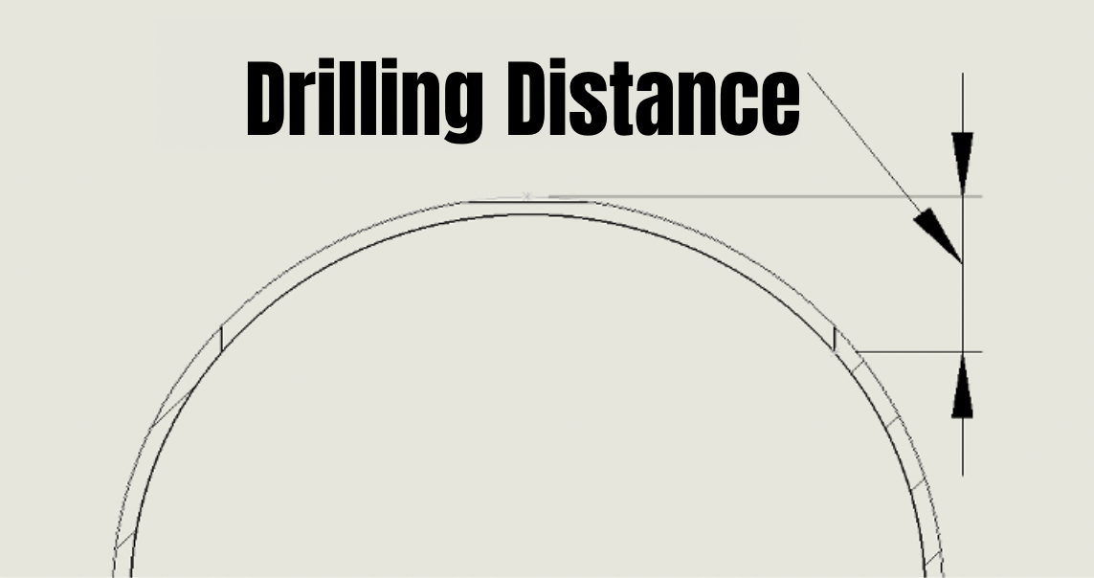
Calculator for drilling distance. Fill only green boxes in (mm)

Mainline pipe Outer diameter (mm) | 139.7
Hole saw diameter (mm) | 98
Mainline pipe wall thickness (mm) | 12

Drilling distance (mm): | 39 | mm

